LAC
Lacoste Boxer |  | PROMPT DELIVERY

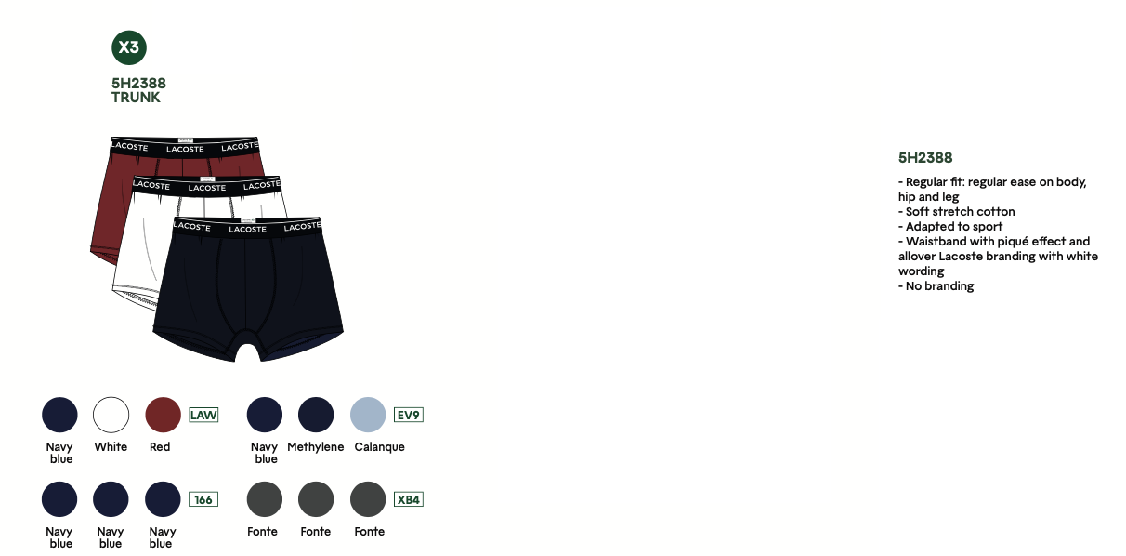
Style-No. | Brand | Model | Color | Material | RRP € | Offer € | Quantity | 2 | 3 | 4 | 5 | 6 | 7 | 8
 |  |  |  |  |  |  |  | XS | S | M | L | XL | 2XL | 3XL
5H2388 | Lacoste | Trunk 3Pack | LAW | 95% co, 5% ela | 40.00 | 21.50 | 947 |  |  | 158 | 315 | 316 | 158
 |  |  | XBA |  |  |  | 886 |  |  | 147 | 295 | 296 | 148
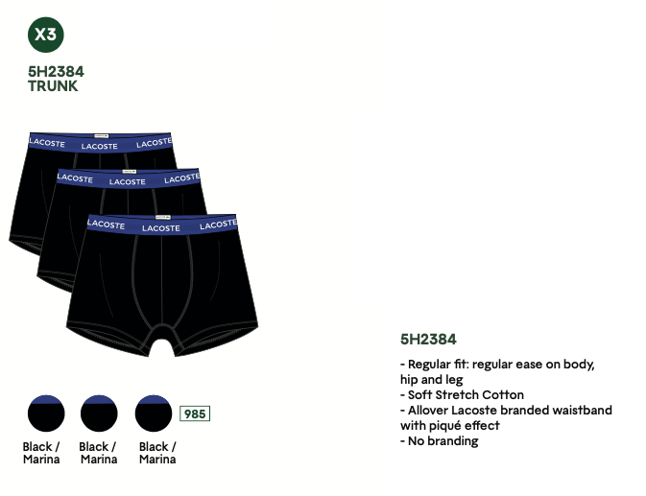
 |  |  | EV9 |  |  |  | 286 |  |  | 47 | 95 | 96 | 48
Total: |  |  |  |  |  |  | 2119
5H2384 | Lacoste | Trunk 3Pack | 985 | 95% co, 5% ela | 40.00 | 21.50 | 1547 |  |  | 258 | 515 | 516 | 258

Total: |  |  |  |  |  |  | 1547

Grand total: |  |  |  |  |  |  | 3666

